Directions
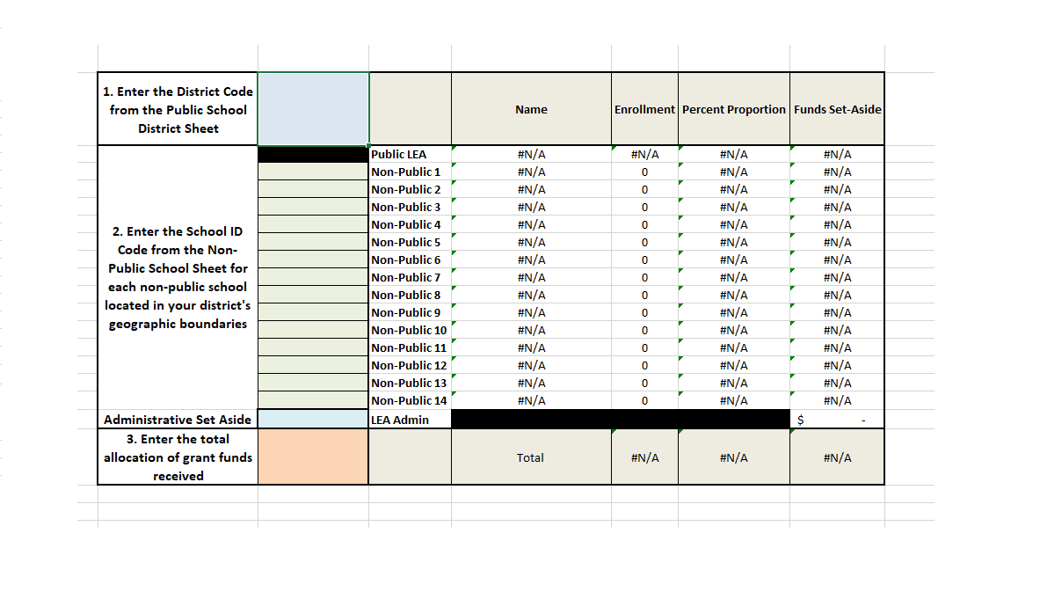
 | The Equitable Services Calculator has been developed for LEA's to use in determining the amount of funds to set aside to provide Equitable Services under Title VIII. This includes Title IC, IIA, IIIA, IVA, and IVB.
Step 1 | Enter the LEA District Code. This can be found under the Public School District tab
Step 2 | Enter the School Code for each non-public school participating in equitable services. This can be found under the Non-Public Schools tab.
Step 3 | Enter the percentage, if any, that the LEA plans to withold to cover the administrative costs involved in the oversight of equitable services.
Step 4 | Enter the total allocation amount of the specific grant (e.g. Title IIA)

 | The calculator will autogenerate the correct equitable services amounts for the LEA and each participating non-public school based upon the published enrollment figures collected by the NH Department of Education

